Supplementary Figure 1
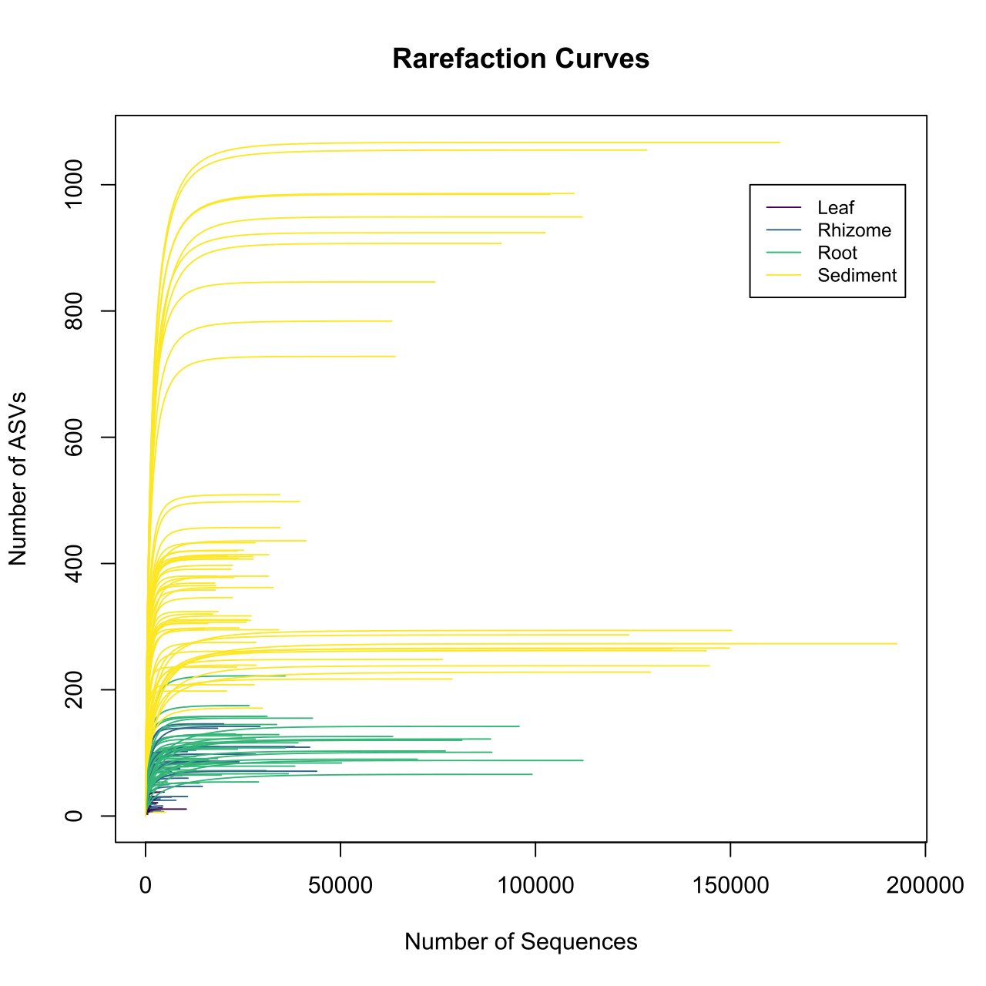
Supplementary Figure 1: Rarefaction curves indicating sufficient sequencing

Supplementary Figure 2
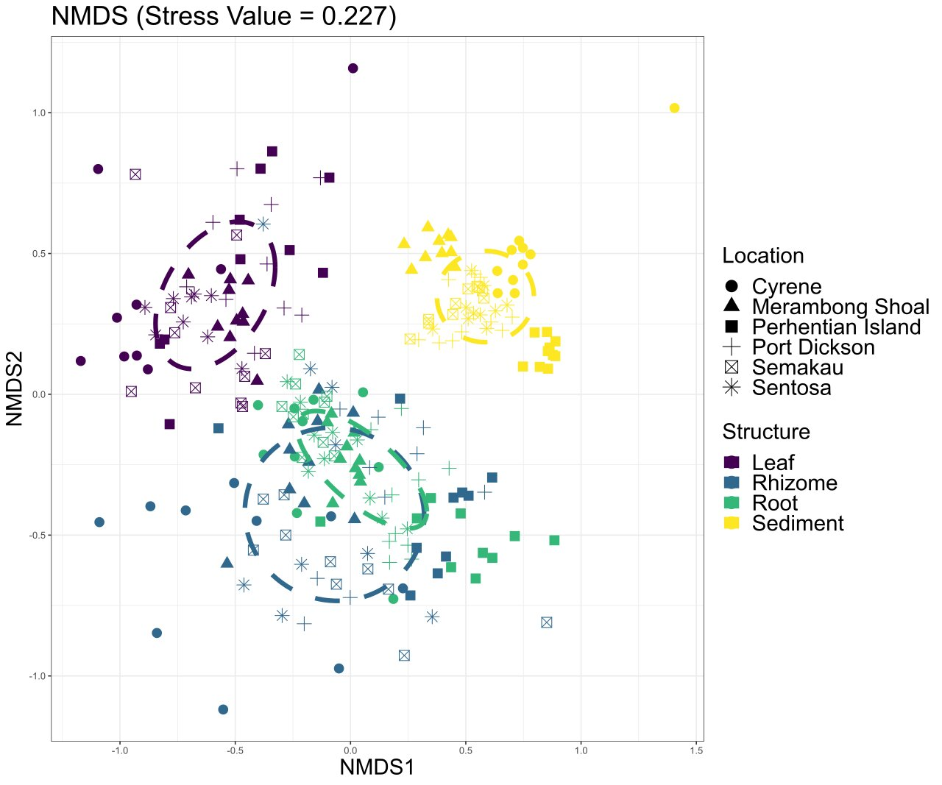
Supplementary Figure 2: Non-metric multidimensional scaling (NMDS) of bacterial communities based on Bray–Curtis dissimilarity, coloured by location (non-metric fit, R2 = 0.948; linear fit, R2 =0.752; stress value = 0.227).

Supplementary Figure 3
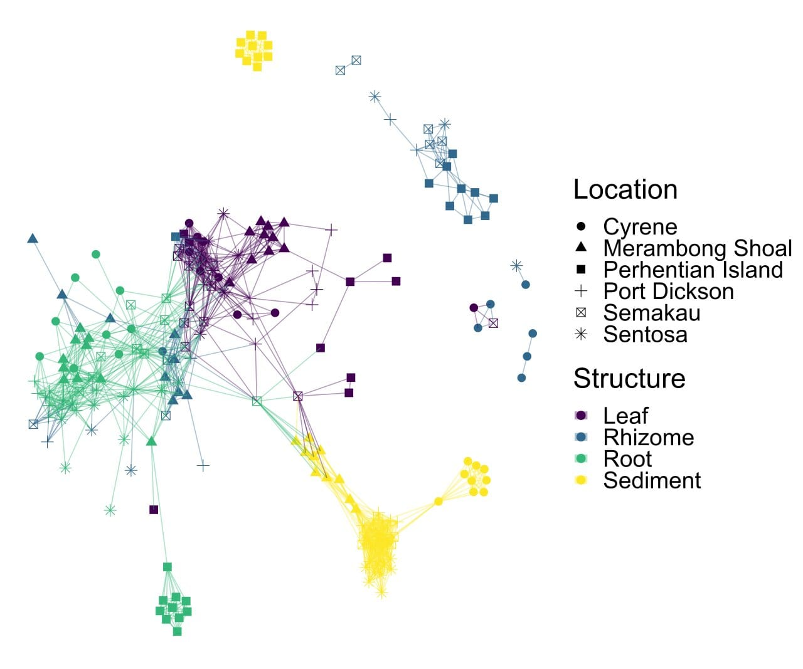
Supplementary Figure 3: Network plot showing connectivity of samples via shared amplicon sequence variants (ASVs).

Supplementary Figure 4
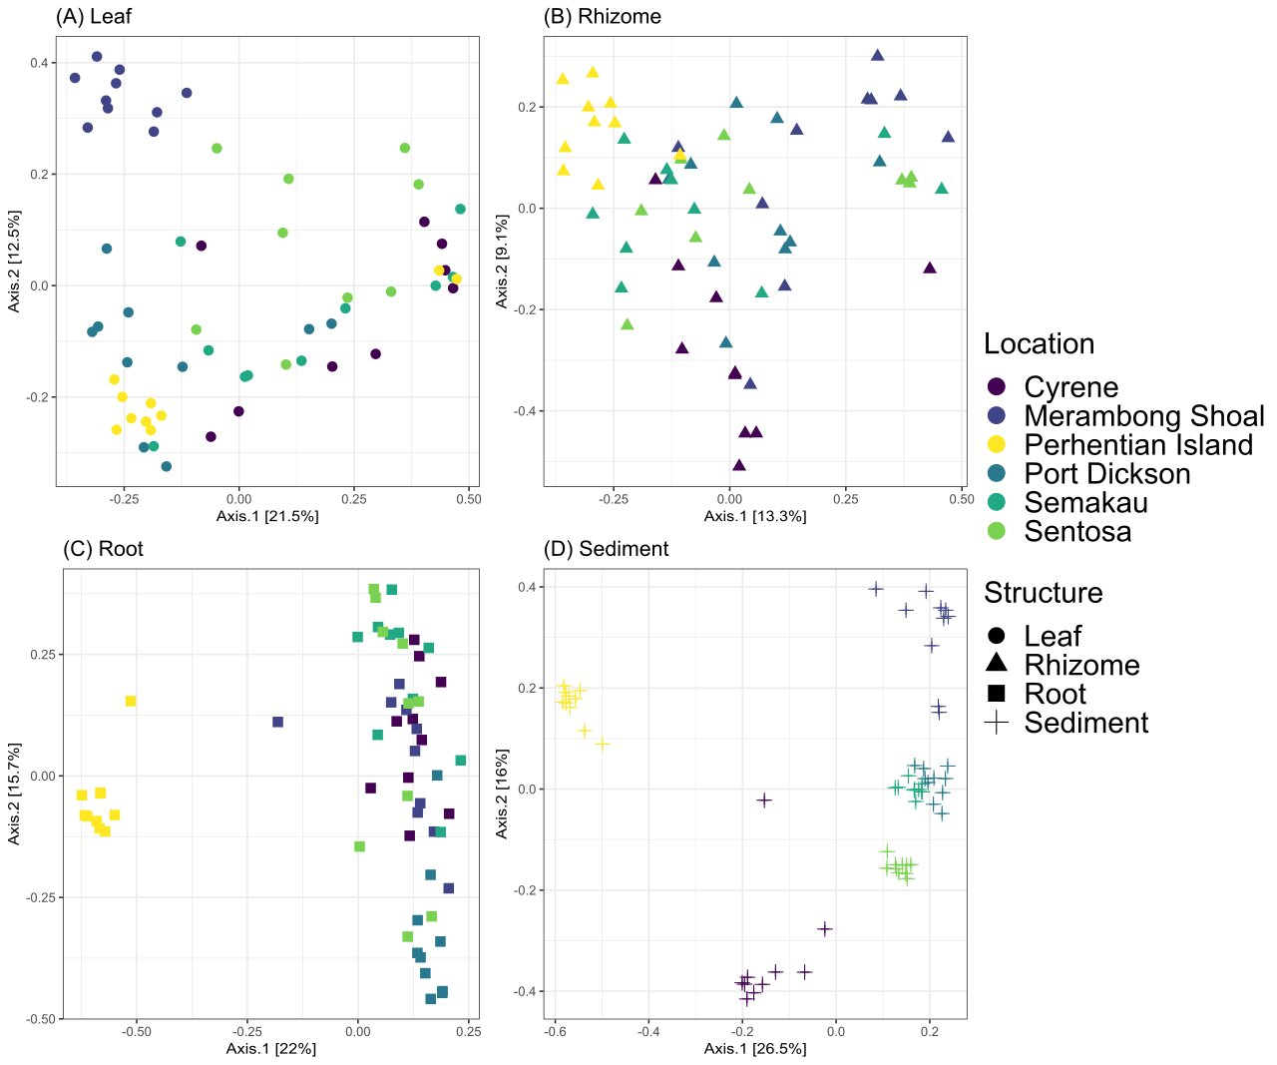
Supplementary Figure 4: Principal coordinate analysis (PCoA) plots of bacterial communities based on Bray-Curtis dissimilarity, grouped by plant structure DNA was extracted from, colored by region.

Supplementary Figure 5
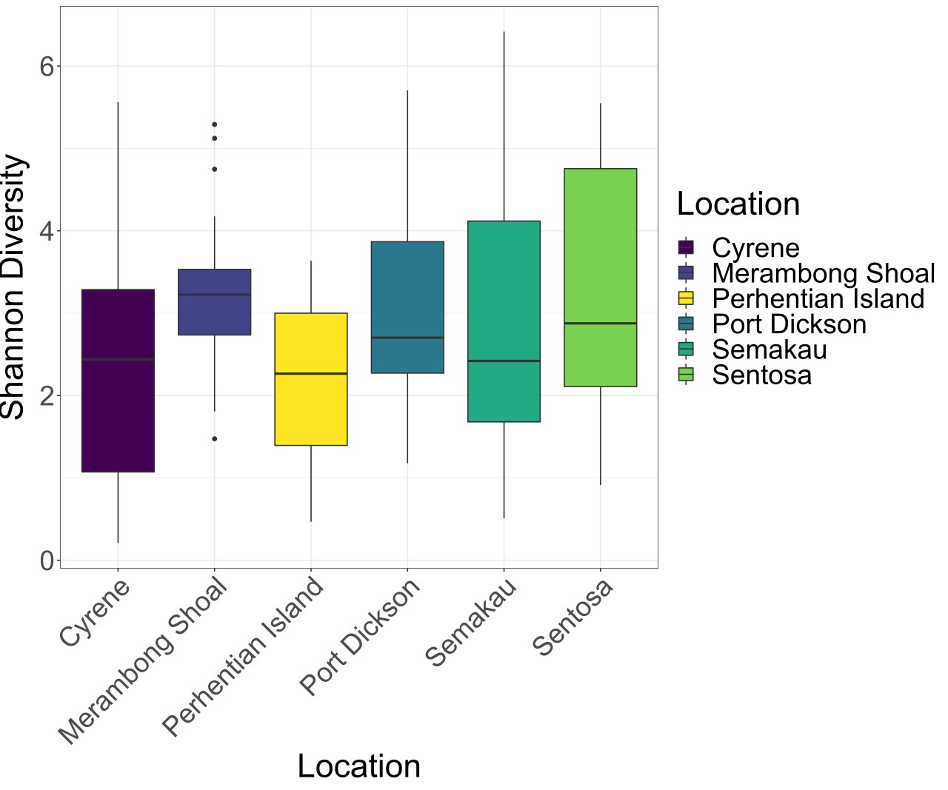
Supplementary Figure 5: Bacterial diversity based on amplicon sequence variants (ASVs) for each plant structure.

Supplementary Figure 6
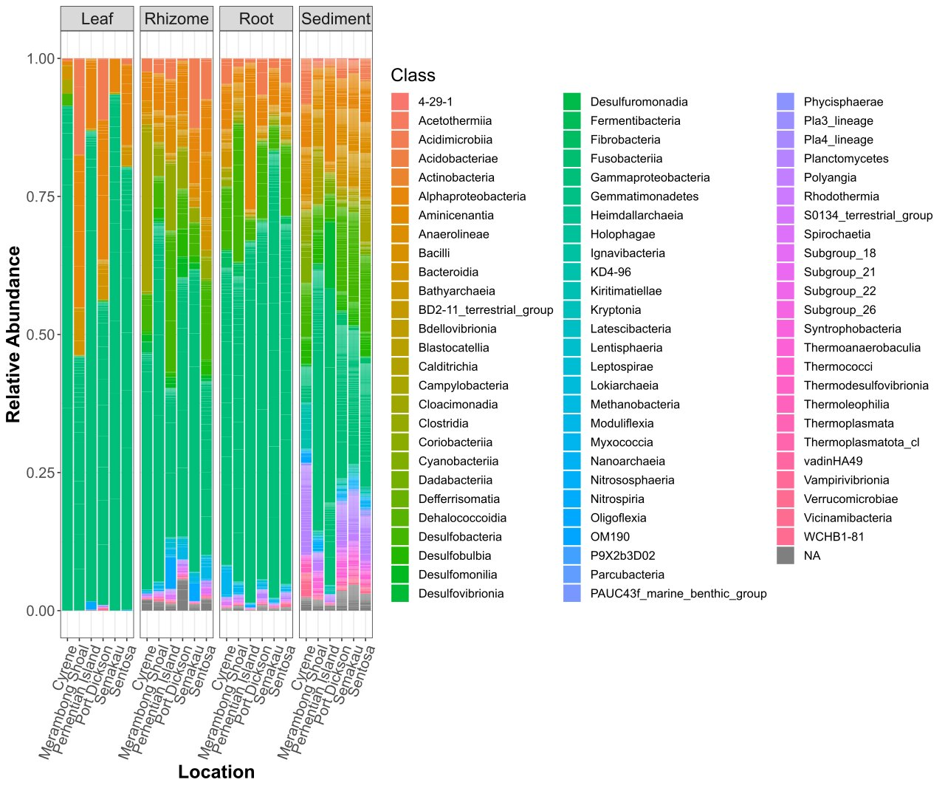
Supplementary Figure 6: Stacked bar plots of relative class abundances in each plant structure from each sample site.

Supplementary Figure 7
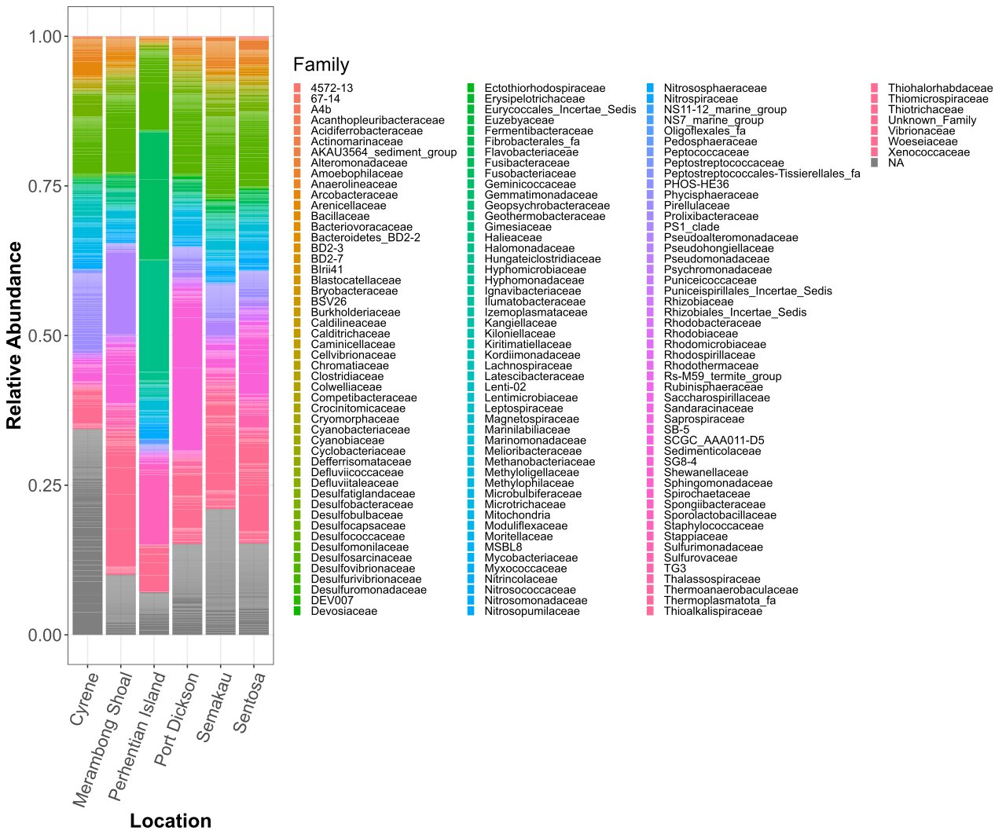
Supplementary Figure 7: Stacked bar plots of relative family abundances from each sample site.

Supplementary Figure 8
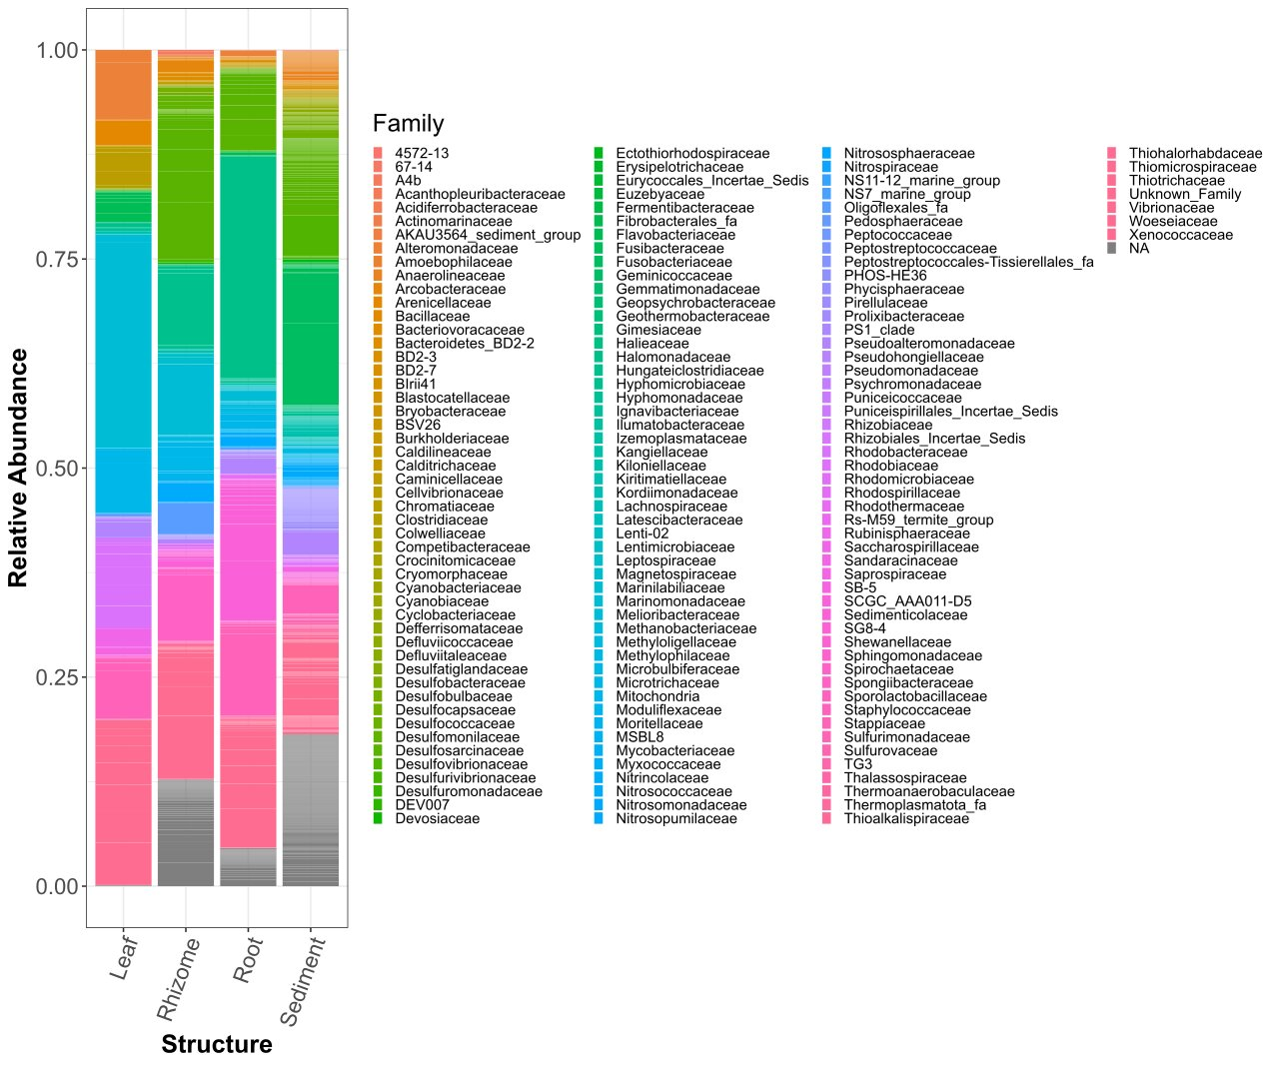
Supplementary Figure 8: Stacked bar plots of relative class abundances in each plant structure.

Supplementary Figure 9
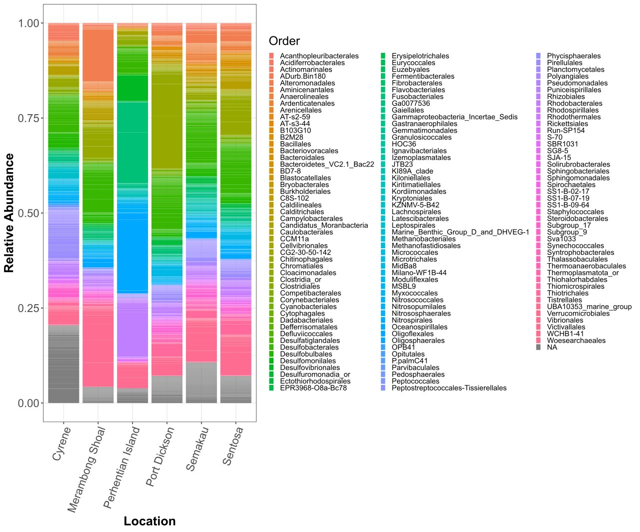
Supplementary Figure 9: Stacked bar plots of relative order abundances from each sample site.

Supplementary Figure 10
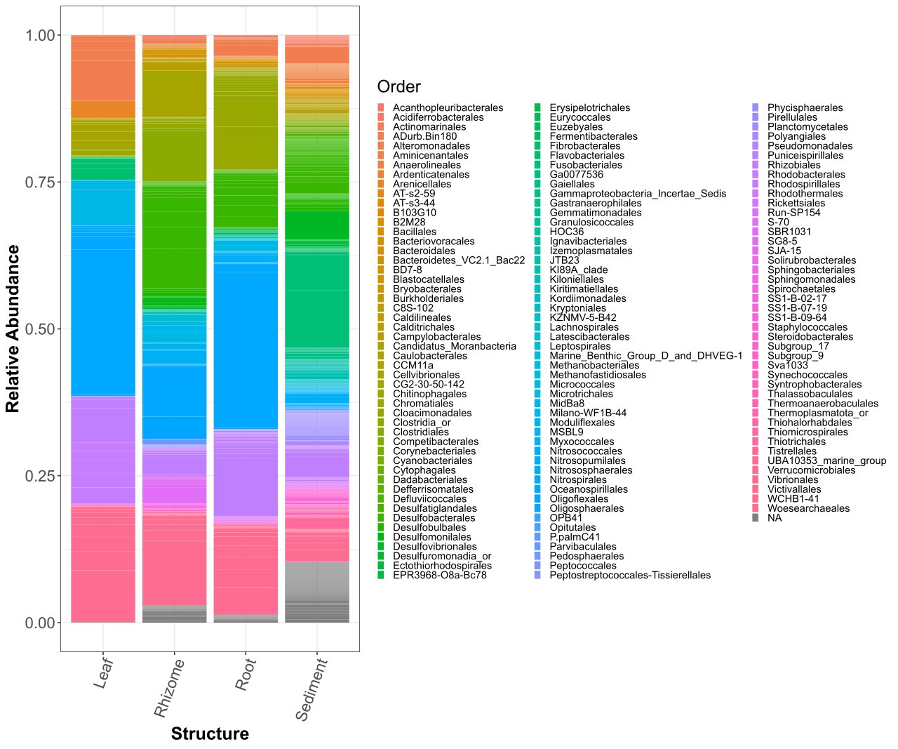
Supplementary Figure 10: Stacked bar plots of relative order abundances in each plant structure.

Supplementary Figure 11
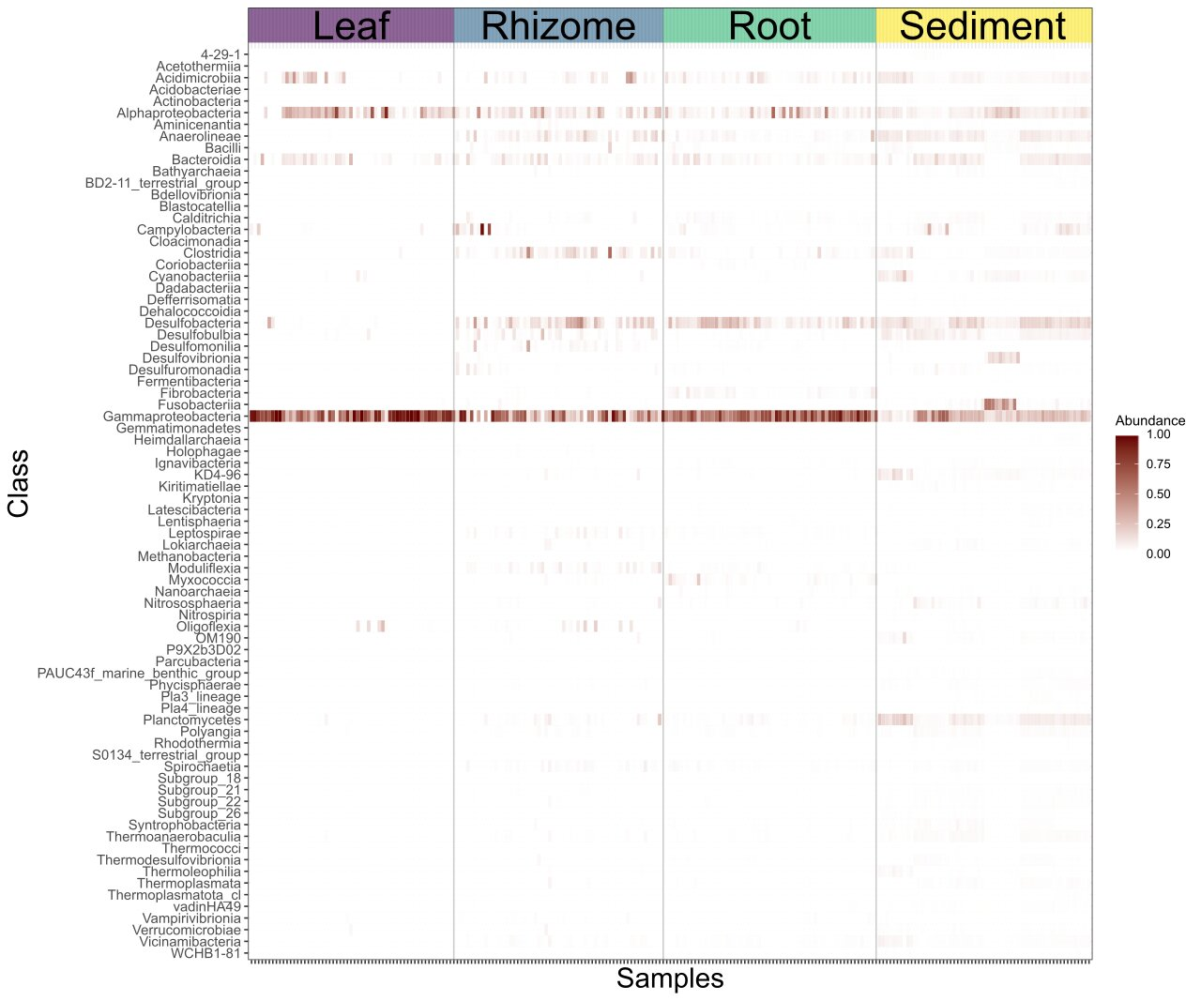
Supplementary Figure 11: Heatmap of relative abundance of bacterial class in each sample. Samples are grouped by the plant structure they were taken from.

